Plots
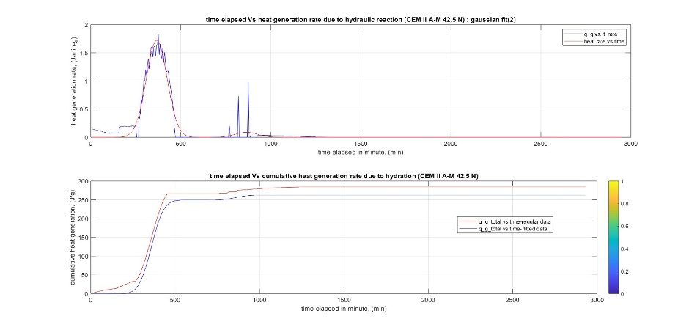
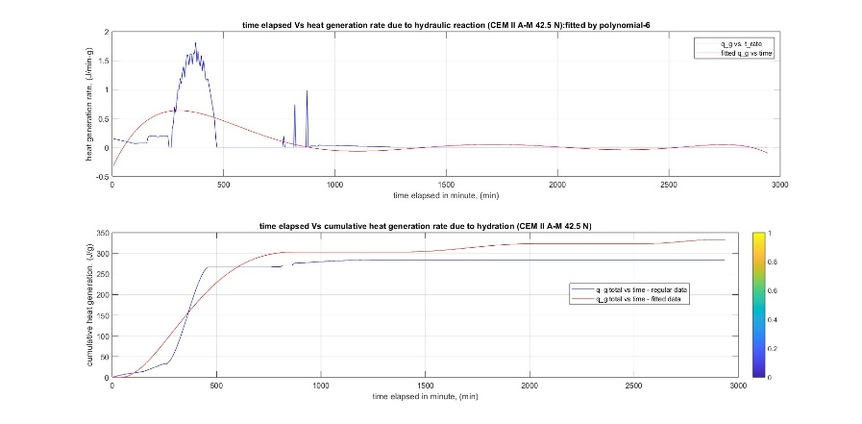
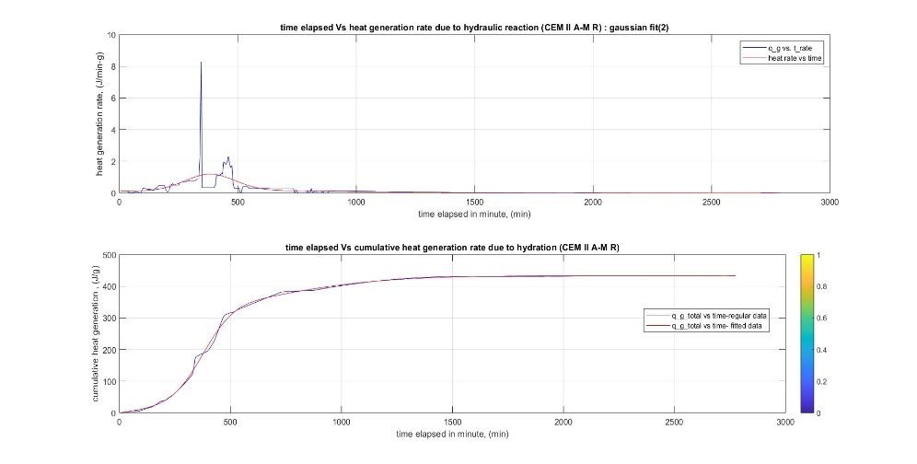
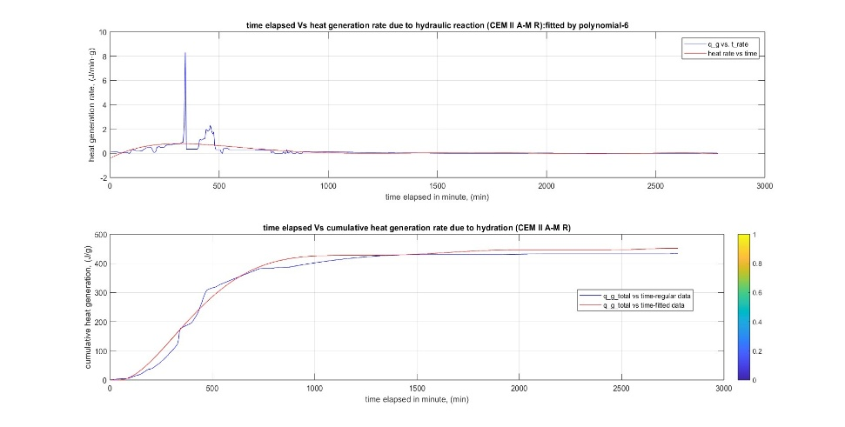

 |  | Heat generation rate & Cumalative Heat: CEM II A-M 42.5 N (Gaussian Fit 2) |  | Heat generation rate & Cumalative Heat: CEM II A-M 42.5 N (Polynomial 6)

Heat generation rate & Cumalative Heat: CEM II A-M 42.5 R (Gaussian Fit 2) | Heat generation rate & Cumalative Heat: CEM II A-M 42.5 R (Polynomial 06)
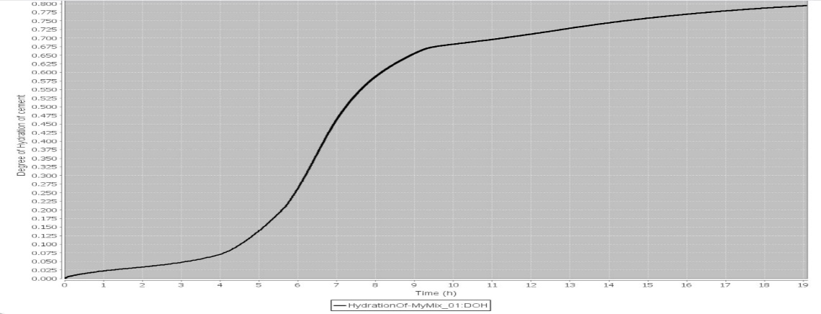
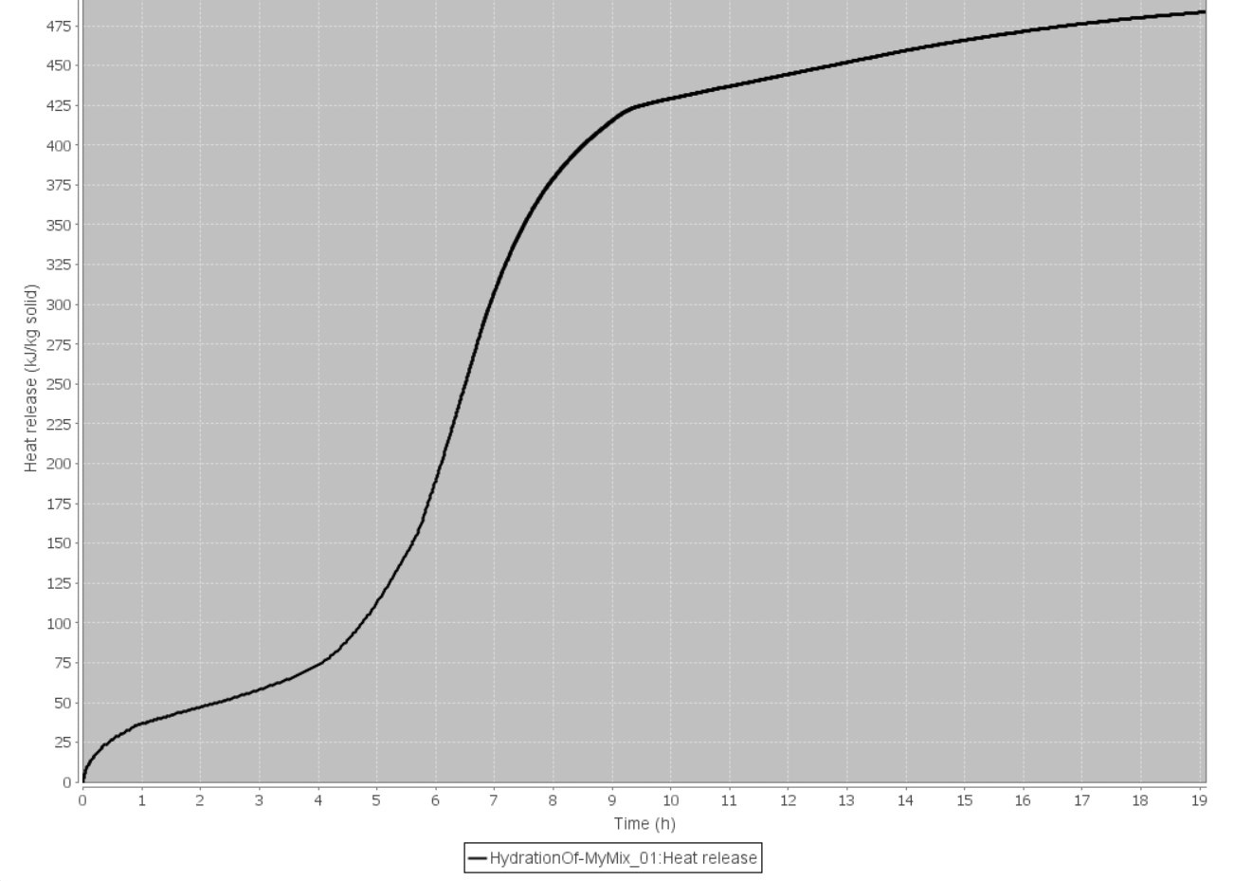
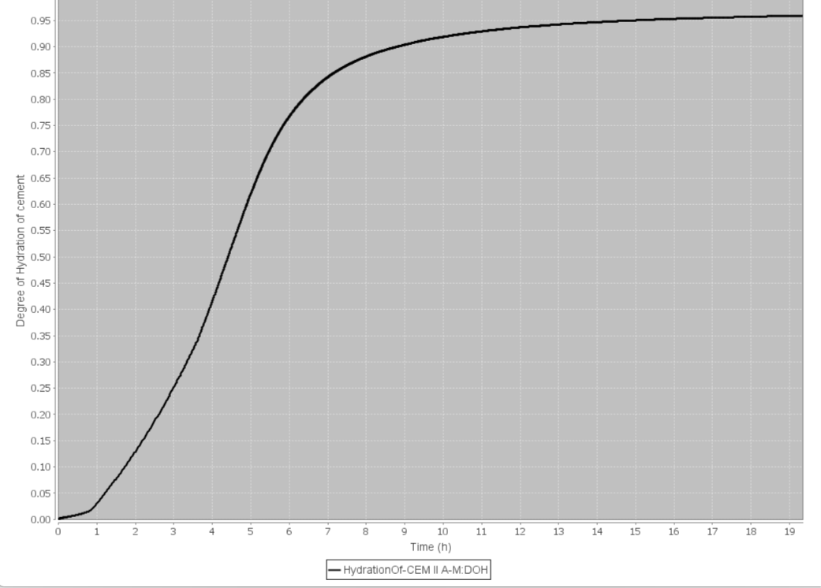
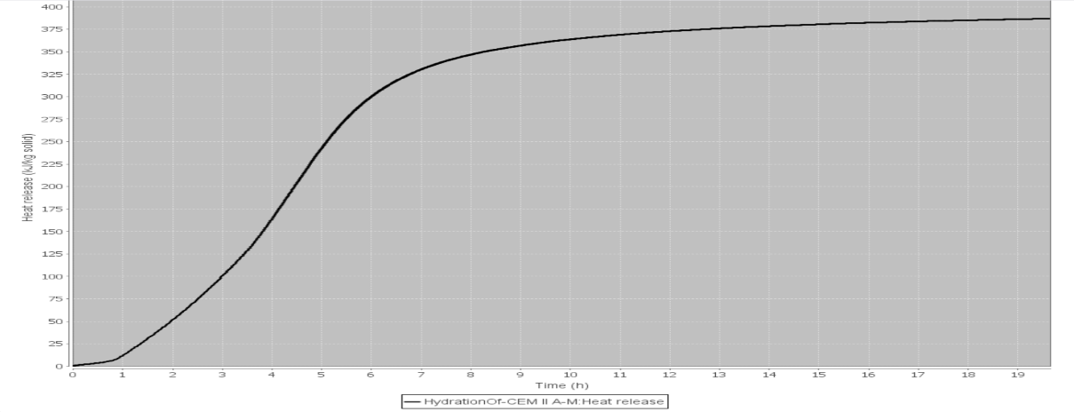

Degree of Hydration of Cement by VCCTL Software: CEM II A-M 42.5 R | Heat generation rate of Cement by VCCTL software: CEM II A-M 42.5 R
 |  |  | Degree of Hydration of Cement by VCCTL Software: CEM II A-M 42.5 N |  | Heat generation rate of Cement by VCCTL software: CEM II A-M 42.5 N

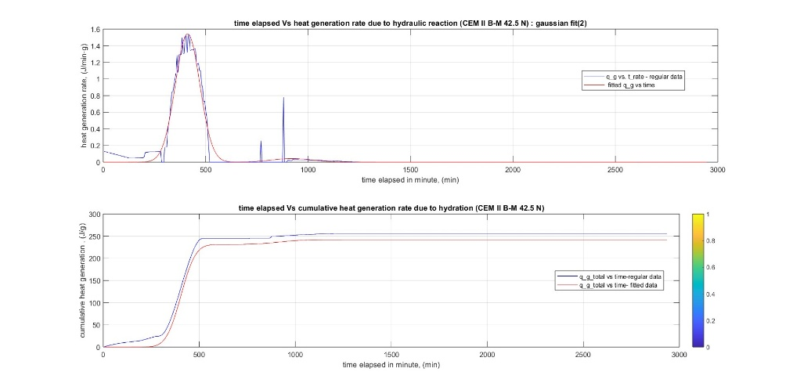
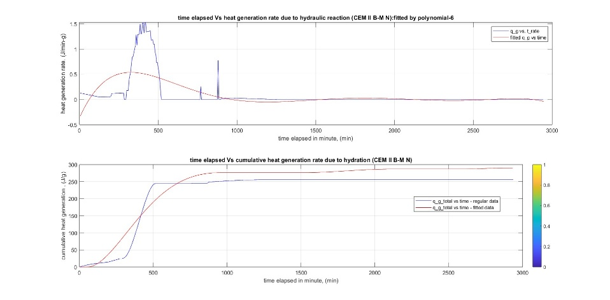
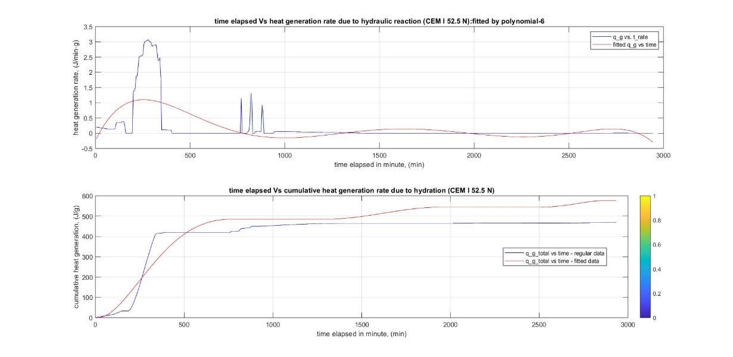
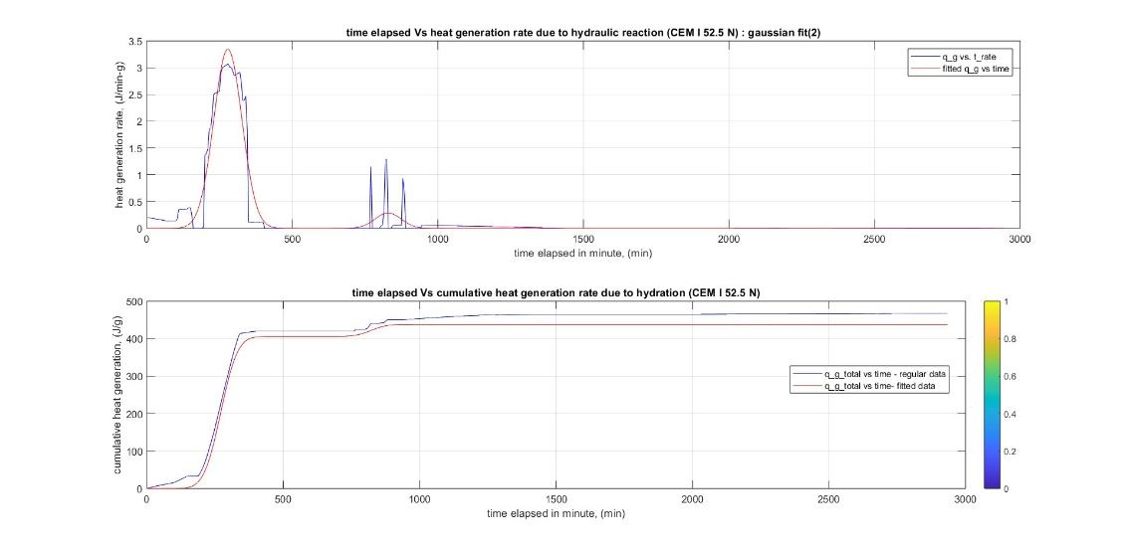

Heat generation rate & Cumalative Heat: CEM II B-M 42.5 N (Gaussian Fit 2) | Heat generation rate & Cumalative Heat: CEM II B-M 42.5 N (Polynomial 06)

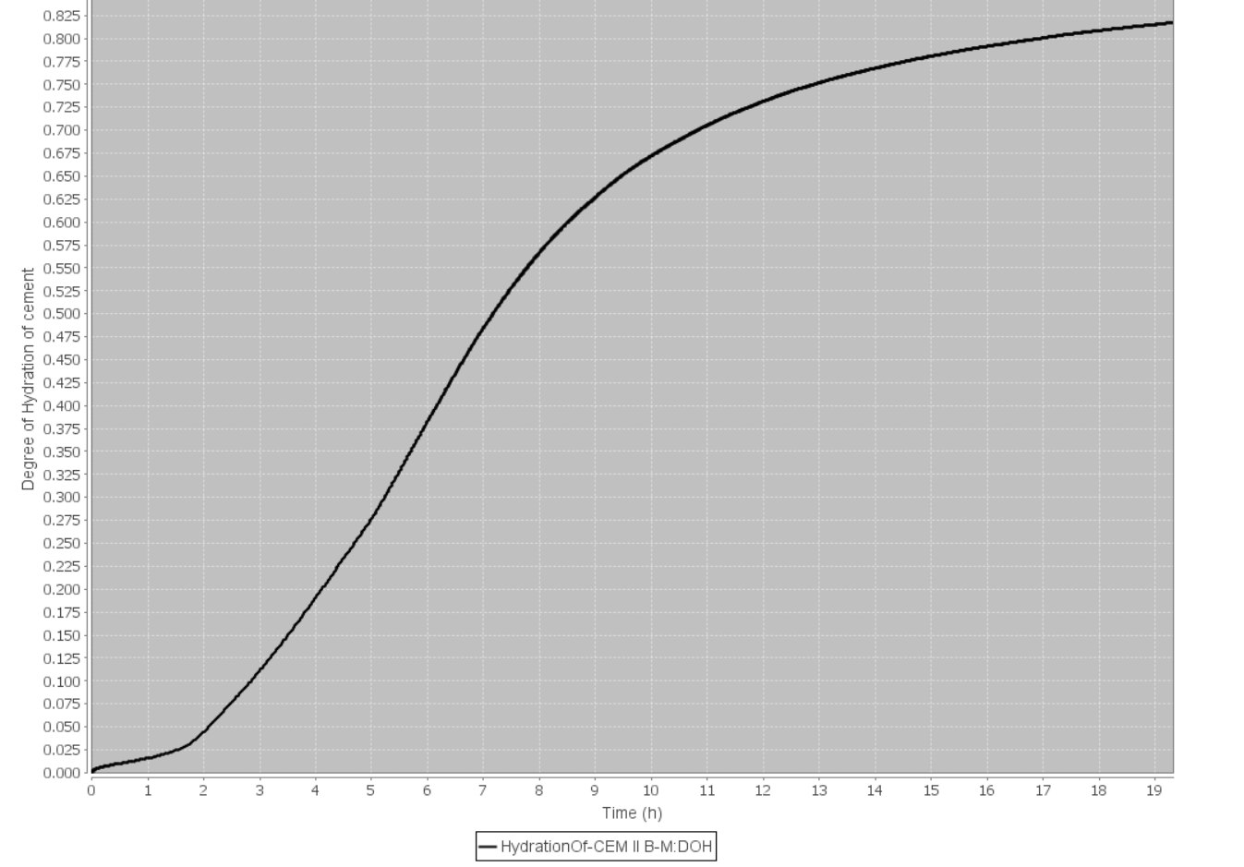
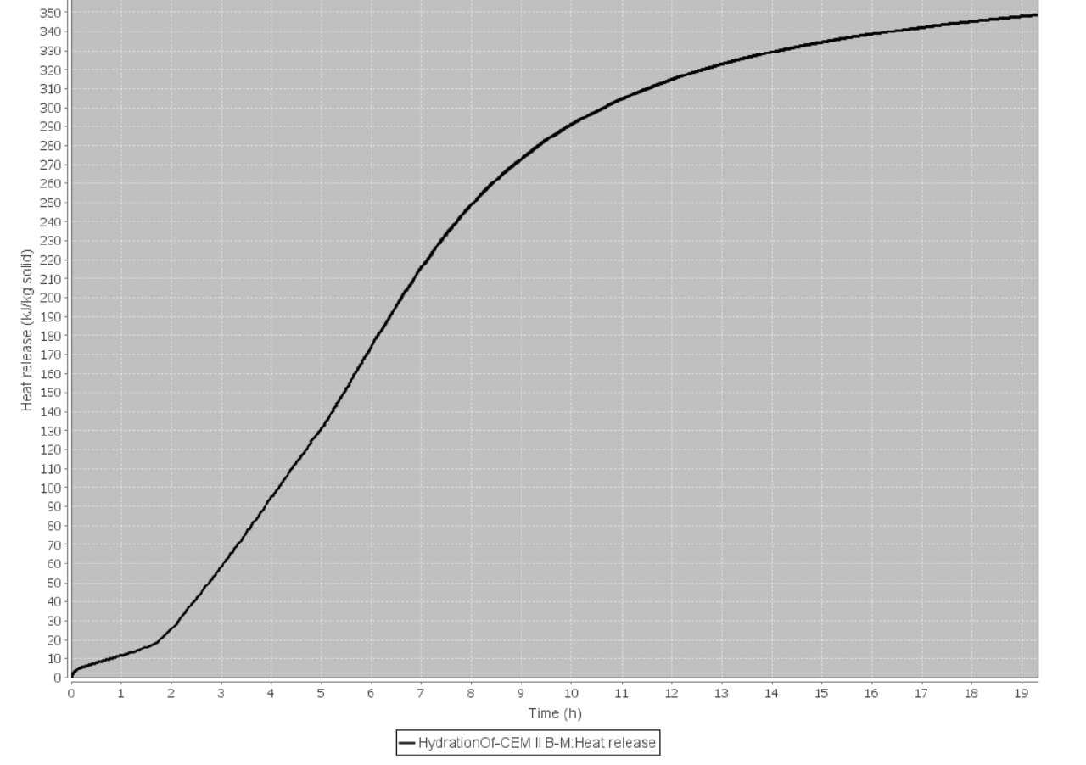
 |  |  | Heat generation rate & Cumalative Heat: CEM I 52.5 N (Gaussian Fit 2) |  | Heat generation rate & Cumalative Heat: CEM I 52.5 N (Polynomial 6)

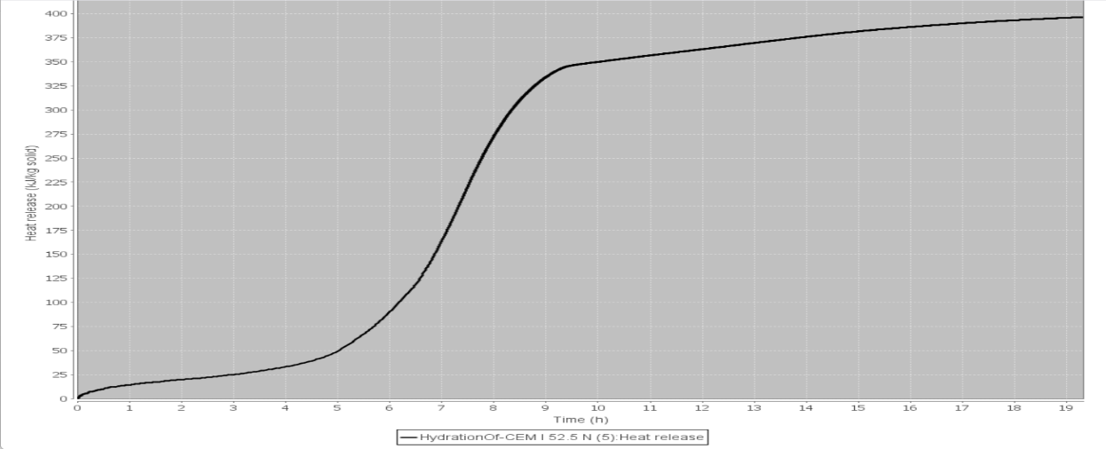
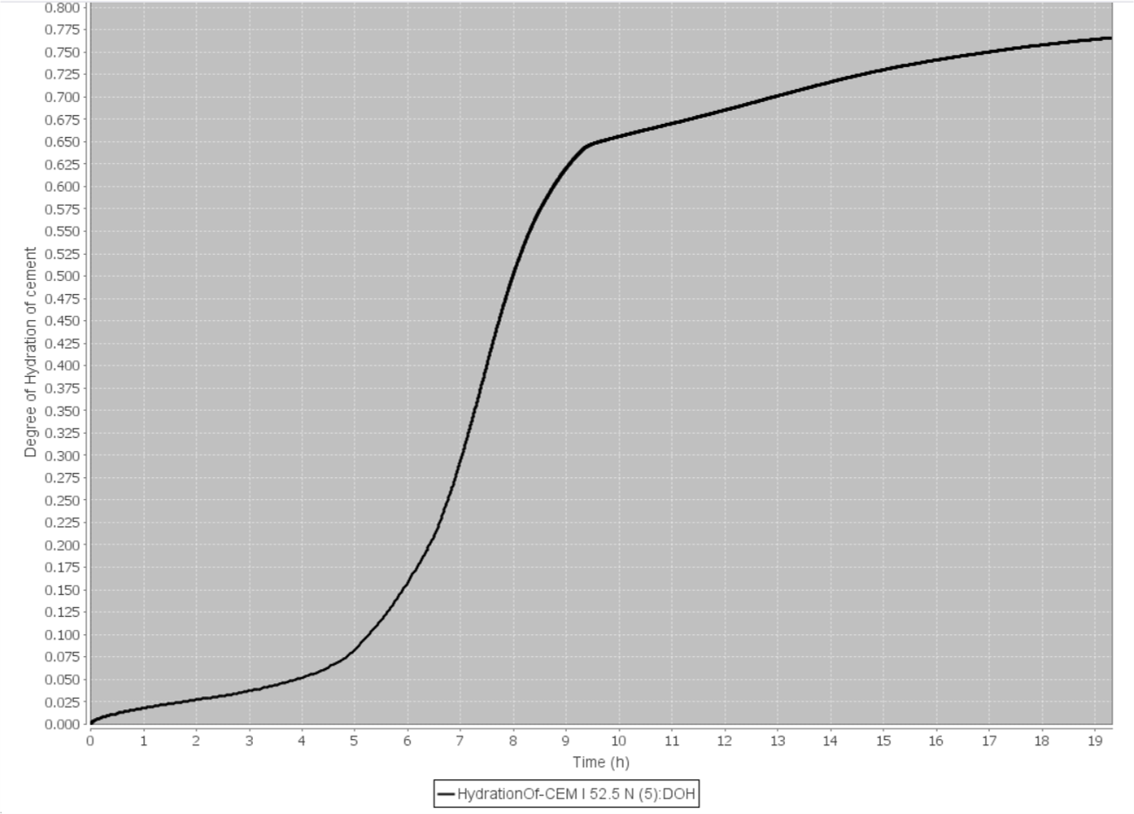

Degree of Hydration of Cement by VCCTL Software: CEM II B-M 42.5 N | Heat Generation rate of Cement by VCCTL Software: CEM II B-M 42.5 N

 |  |  | Degree of Hydration of Cement by VCCTL Software: CEM I 52.5 N |  | Heat generation rate of Cement by VCCTL software: CEM I 52.5 N

Calibration
 | Calibration Constant Determination

Determination of Heat capacity of Insulator |  |  |  |  | specific heat, C |  | 3076.9230769 | J/k | m(w) | 404 | g
Weight | value | unit |  |  | specific heat, C |  | C(w) + C(insulator) | J/k | c(w) | 4.184 | J/g-k
Insulator Wt. | 196.1 | gm |  |  | specific heat, C |  | m(w)xc(w) + C(insulator) | J/k
Insulator + Water wt. | 600.1 | gm |  |  | C(insulator) |  | C(J/k) -m(w)xc(w) | J/k
 |  |  |  |  |  |  | 1386.5870769 | J/k
Heater Model | chinese RH
Power, P | 500 | watt
voltage, V | 220 | volt

Electric Current, I | 2.273 | ampere
Resisitance, R | 96.8 | Ohm

Initial Temp. of Water, T(0) | 19.7 | ℃ | 292.85 | k
Final Temp. of Water , T(t) | 60 | ℃ | 333.15 | k
Room Temp. , T(amb) | 23.1 | ℃ | 296.25 | k
Time elapsed, t | 248 | seconds

Determination of Heat capacity of Insulator
Weight | value | unit
Weight | value | unit
Insulator Wt. | 196.1 | gm
Insulator + Water wt. | 596 | gm

Initial Temp. of Water , T(0) | 59.9 | ℃ |  |  |  | k(l) = | (-c/t)*ln((T(t)-T(amb))/(T(0)-T(amb))
Final Temp. of Water, T(t) | 58.4 | ℃ |  |  |  | k(l) = | 0.03556827456 |  | 0.0355
Room Temp. , T(amb) | 23.1 | ℃ |  |  |  |  | 2.1340964736 |  | 2.13
Time elapsed, t | 3600 | seconds

 | Used Machinery

 | An Insulator
 | a 500 w - 220v heater
 | 1 inch thick foam to wrap the insulator mouth
 | HTC-2 Temperature Humidity Thermo-Hygro meter

